Plan1
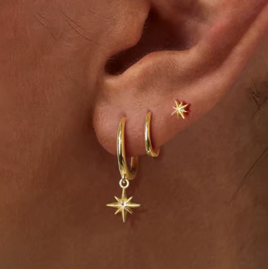
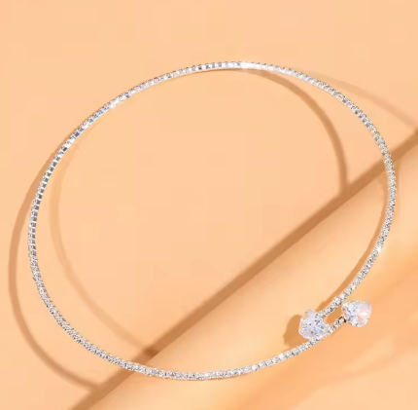
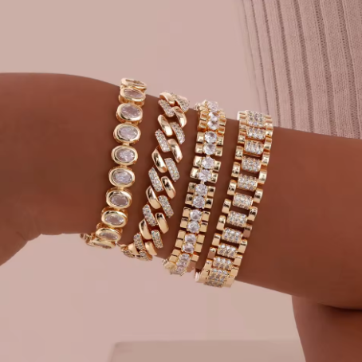
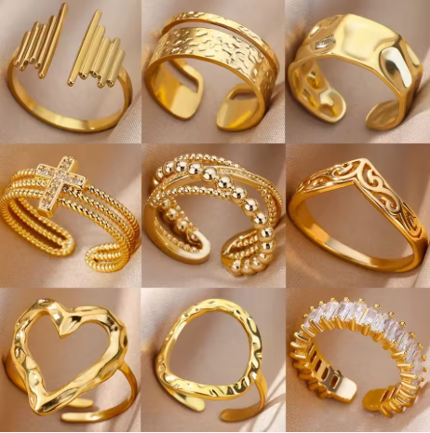

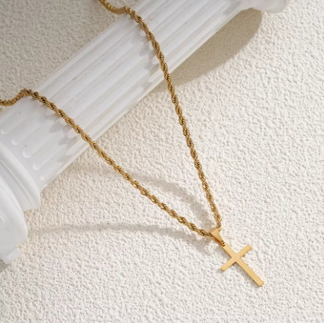
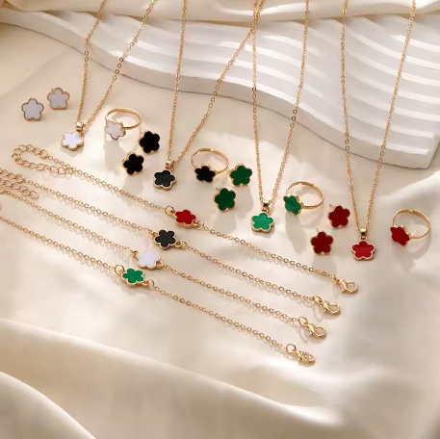
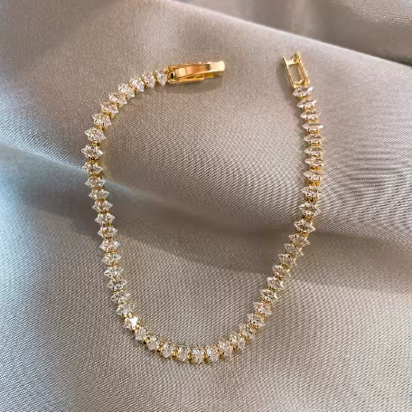
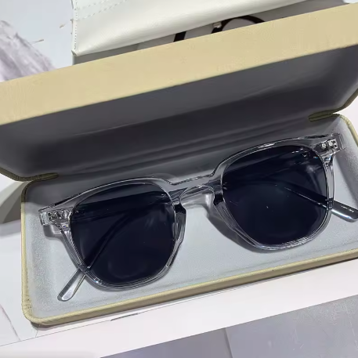
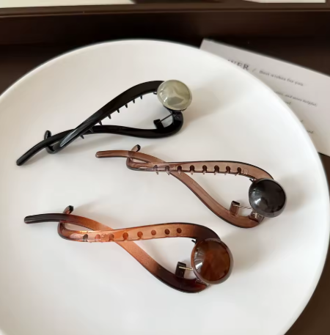
Produto | Anéis de aço inoxidável | Óculos retrô oval | Corrente de cruz inoxidável | Kit colar/anel/pulseira | Pulseira de strass | Conjunto de brincos | Óculos de sol unisex | Grampo de cabelos | Colar de strass | Kit 4 pulsieras
Imagem

Preço | R$ 9.95 | R$ 9.27 | R$ 10.41 | R$ 11.12 | R$ 11.83 | R$ 14.28 | R$ 9.61 | R$ 9.99 | R$ 12.17 | R$ 20.98
URL | https://nlink.at/WJnt | https://nlink.at/K6Ad | https://nlink.at/c5Qb | https://nlink.at/fbBz | https://nlink.at/LR8d | https://nlink.at/68vx | https://nlink.at/dN7j | https://nlink.at/fF9C | https://nlink.at/GpIR | https://nlink.at/r5oE

